Calculator
 |  | CaliLantern Calculator |  |  | V2.6
 |  | All Instructions for this document are in the Calilantern written guide.

Existing Calibration
 | Skew
 | Use Skew Model: | Klipper

Klipper
 | XY | XZ | YZ
 | 0.00271371 | 0.00000000 | 0.00000000

Marlin | XY | ZX | ZY
 | 0.00000 | 0.00000 | 0.00000

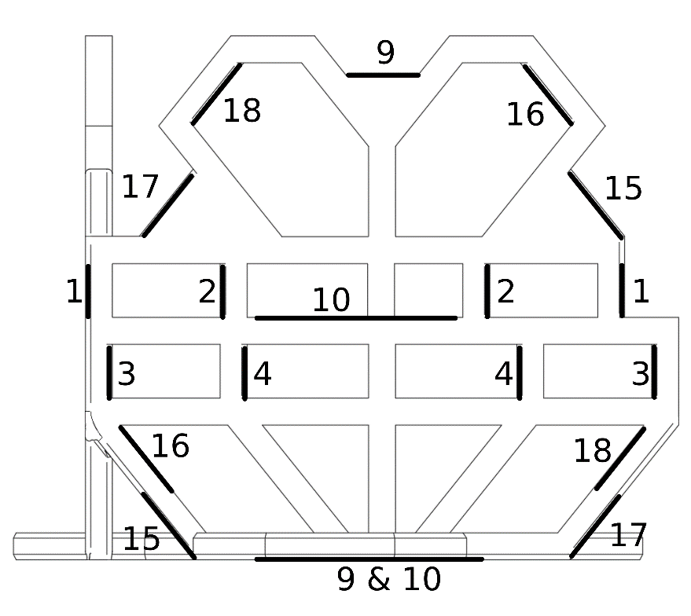
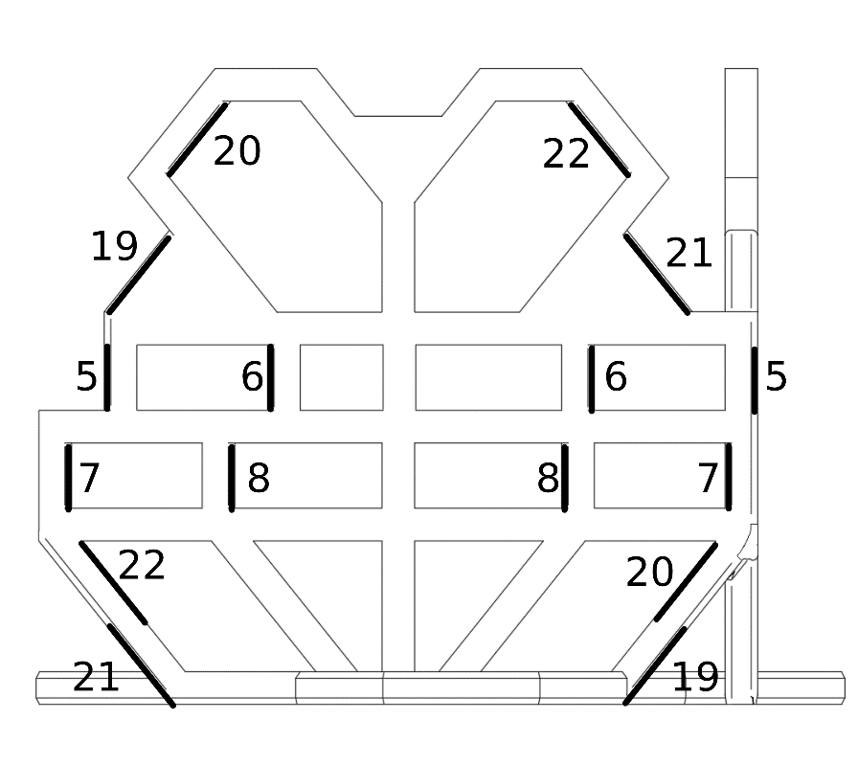
RRF | S | X | Y | Z
 | 100 | 0.00 | 0.00 | 0.00

Measurements
(This spreadsheet is locked to prevent accidental modification)
 | Scale | 100%
 | (if you have a larger printer, and larger tools, you can print at larger scale)

 | Type | Reading 1 | Reading 2 | Reading 3 | Average | Status
1 | Outer | 100.04 | 100.06 | 100.07 | 100.06 | 1.00
2 | Outer | 49.89 | 49.96 | 49.97 | 49.94 | 1.00
3 | Inner | 100.16 | 100.16 | 100.16 | 100.16 | 1.00
4 | Inner | 50.09 | 50.10 | 50.09 | 50.09 | 1.00
5 | Outer | 100.07 | 100.03 | 100.04 | 100.05 | 1.00
6 | Outer | 49.99 | 49.99 | 49.99 | 49.99 | 1.00
7 | Inner | 100.00 | 99.97 | 99.97 | 99.98 | 1.00
8 | Inner | 50.01 | 50.00 | 50.02 | 50.01 | 1.00
9 | Outer | 89.76 | 89.82 | 89.82 | 89.80 | 1.00
10 | Outer | 44.87 | 44.86 | 44.84 | 44.86 | 1.00
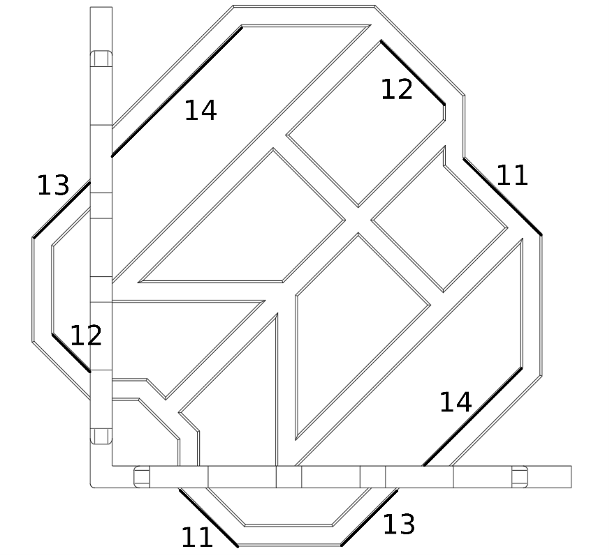
11 | Outer | 99.91 | 99.89 | 99.87 | 99.89 | 1.00
12 | Inner | 100.35 | 100.31 | 100.34 | 100.33 | 1.00
13 | Outer | 100.06 | 100.03 | 100.04 | 100.04 | 1.00
14 | Inner | 100.52 | 100.47 | 100.47 | 100.49 | 1.00
15 | Outer | 99.78 | 99.78 | 99.80 | 99.79 | 1.00
16 | Inner | 100.01 | 99.98 | 100.05 | 100.01 | 1.00
17 | Outer | 99.77 | 99.77 | 99.75 | 99.76 | 1.00
18 | Inner | 99.96 | 99.87 | 99.95 | 99.93 | 1.00
19 | Outer | 99.86 | 99.87 | 99.81 | 99.85 | 1.00
20 | Inner | 99.94 | 99.94 | 99.95 | 99.94 | 1.00
21 | Outer | 99.95 | 99.95 | 99.93 | 99.94 | 1.00
22 | Inner | 99.67 | 99.74 | 99.78 | 99.73 | 1.00

 | 1.00 | This measurement seems to have been taken correctly.
 | 0.75 | This measurement may have an error. Please Double-check your measurement.
 | 0.00 | This measurement very likely has a problem, may have been measureed incorrectly.

Results
Score | 840

Size
 | Error | Correction
X | 0.07% | -0.07%
Y | 0.01% | -0.01%
Z | -0.27% | 0.27%

Skew
 | Angle | Skew | Firmware Compensation | Next FW Compensation
XY Skew | 90.088° | 0.088° | 0.155° | 0.099°
ZX Skew | 89.968° | -0.032° | 0.000° | 0.032°
ZY Skew | 89.967° | -0.033° | 0.000° | 0.033°

Extrusion
 | Error
Inner | 0.08%
Outer | -0.11%

Fix Skew
Klipper G Code Fix

 | Add | [skew_correction] |  |  |  | to printer.cfg
 | Send Command | SET_SKEW XY=141.299,141.544,100 XZ=141.382,141.46,100 YZ=141.38,141.463,100 |  |  |  | via console
 | Send Command | SKEW_PROFILE SAVE=calilantern_skew_profile |  |  |  | via console
 | Send Command | SAVE_CONFIG |  |  |  | via console
 | Copy & Paste | SKEW_PROFILE LOAD=calilantern_skew_profile |  |  |  | to end of start G code
 | Copy & Paste | SET_SKEW CLEAR=1 |  |  |  | to start of end G code

Marlin Firmware Adjustment

 | Copy & Paste | #define XY_DIAG_AC 141.299 |  |  |  | to firmware
 | Copy & Paste | #define XY_DIAG_BD 141.544 |  |  |  | to firmware
 | Copy & Paste | #define XY_SIDE_AD 100 |  |  |  | to firmware

 | Copy & Paste | #define XZ_DIAG_AC 141.382 |  |  |  | to firmware
 | Copy & Paste | #define XZ_DIAG_BD 141.46 |  |  |  | to firmware
 | Copy & Paste | #define YZ_DIAG_AC 141.38 |  |  |  | to firmware
 | Copy & Paste | #define YZ_DIAG_BD 141.463 |  |  |  | to firmware
 | Copy & Paste | #define YZ_SIDE_AD 100 |  |  |  | to firmware

Marlin Firmware Adjustment (alternative)

 | Copy & Paste | #define XY_SKEW_FACTOR -0.00173241 |  |  |  | to firmware
 | Copy & Paste | #define XZ_SKEW_FACTOR -0.00055154 |  |  |  | to firmware
 | Copy & Paste | #define YZ_SKEW_FACTOR -0.0005869 |  |  |  | to firmware

Marlin G-Code Adjustment

 | Ensure | #define SKEW_CORRECTION_GCODE |  |  |  | in firmware
 | Send Command | M852 I-0.00173241 J-0.00055154 K-0.0005869 |  |  |  | via console
 | Send Command | M500 |  |  |  | via console

RepRap Firmware Adjustment

 | Copy & Paste | M556 S100 X0.174 Y0.058 Z0.055 |  |  |  | to config.g

Fix Size
Material XY shinkage
SuperSlicer
 | Current Shrinkage | 100
 | New Shrinkage | 100.04

Cura/PrusaSlicer
 | Current Scale | 100.00%
 | New XY Scale | 99.96%
 | New Z Scale | 100.27%

Steps/mm
 |  | Input your values below
 | Current Steps/mm (X) | 100
 | Current Steps/mm (Y) | 100

 | New Steps/mm (X) | 99.93
 | New Steps/mm (Y) | 99.99

Rotation Distance
 |  | Input your values below
 | Current Rot. Dist. (X) | 31.85
 | Current Rot. Dist. (Y) | 31.85

 | New Rot. Dist. (X) | 31.87
 | New Rot. Dist. (Y) | 31.85

